Sheet1
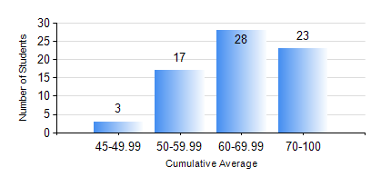
 |  |  | KWAME NKRUMAH UNIVERSITY OF SCIENCE AND TECHNOLOGY, KUMASI Department of Petroleum Engineering

 |  |  | BSC. PETROLEUM ENG.

 |  |  | COMPREHENSIVE RECORD OF EXAMINATION RESULTS

 |  |  | RESULTS OF YEAR 3 SECOND SEMESTER, 2019/2020 ACADEMIC YEAR

 | Sn | Course Code |  | Course Name | Credit Hours | Min. Mark | Max. Mark | Avg. Mark | Std. Dev. | No. Passed | No. Trailed | No. (Df) | No. (I) | No. (I*) | No. Tagged(I,I*,Df) | Total
 | 0. |  |  |  |  |  |  | 0 | 0 | 0 | 0 | 0 | 0 | 0 | 0 | 2
 | 1. | CHE 358 |  | NUMERICAL METHODS FOR CHEMICAL ENGINEERS | 2 | 47 | 87 | 65 | 10.82 | 69 | 0 | 0 | 0 | 0 | 0 | 69
 | 2. | PETE 350 |  | DRILLING ENGINEERING | 3 | 49 | 78 | 66 | 6.58 | 69 | 0 | 0 | 0 | 0 | 0 | 69
 | 3. | PETE 352 |  | PETROLEUM GEOLOGY | 3 | 64 | 97 | 86 | 10.91 | 69 | 0 | 0 | 0 | 0 | 0 | 69
 | 4. | PETE 354 |  | PRODUCTION ENGINEERING | 3 | 40 | 79 | 62 | 7.49 | 69 | 0 | 0 | 0 | 0 | 0 | 69
 | 5. | PETE 356 |  | PETROLEUM ENGINEERING LABORATORY II | 2 | 50 | 75 | 70 | 4.16 | 69 | 0 | 0 | 0 | 0 | 0 | 69
 | 6. | PETE 358 |  | WELL PERFORMANCE | 3 | 63 | 78 | 74 | 3.57 | 69 | 0 | 0 | 0 | 0 | 0 | 69
 | 7. | PETE 360 |  | GEOSTATISTICS | 2 | 60 | 85 | 77 | 4.63 | 69 | 0 | 0 | 0 | 0 | 0 | 69
 | 8. | PETE 362 |  | OIL AND GAS FOR GEOPHYSICS | 2 | 57 | 89 | 83 | 5.99 | 69 | 0 | 0 | 0 | 0 | 0 | 69

